Sheet1
Base Model | Colab URL | Val Accuracy | Loss vs. Val Loss | Hyper params
VGG16 | https://colab.research.google.com/drive/1BgjvZTfmZyHtQfdJgUNQbY5X4HOkSKKn?usp=sharing | 70.65% | 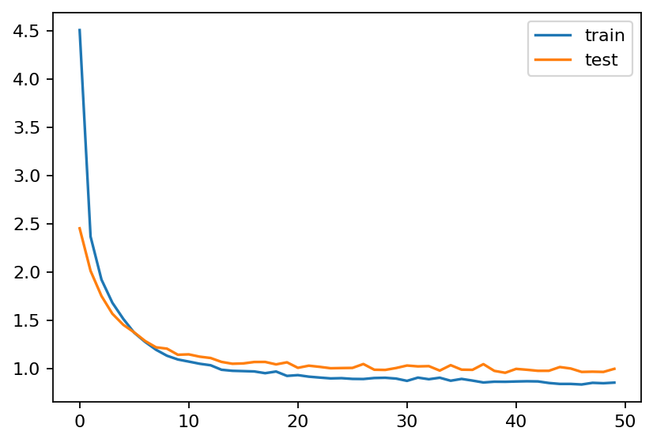 | {'learning_rate': 0.001, 'kernel_regularizer': 0.005, 'dropout_rate': 0.6}
EfficientNetB7 | https://colab.research.google.com/drive/1jmjcC8P0zhChdD8aGugNzglmr7f95b69?usp=sharing | 75.08% | 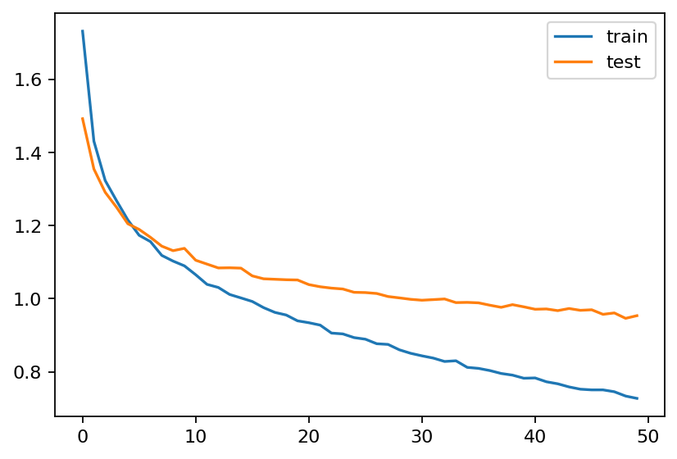 | {'learning_rate': 0.0001, 'kernel_regularizer': 0.0005, 'dropout_rate': 0.3}
EfficientNetB7 + Hypermodel + Batch Normalization | https://colab.research.google.com/drive/1jmjcC8P0zhChdD8aGugNzglmr7f95b69?usp=sharing | 75.48% | 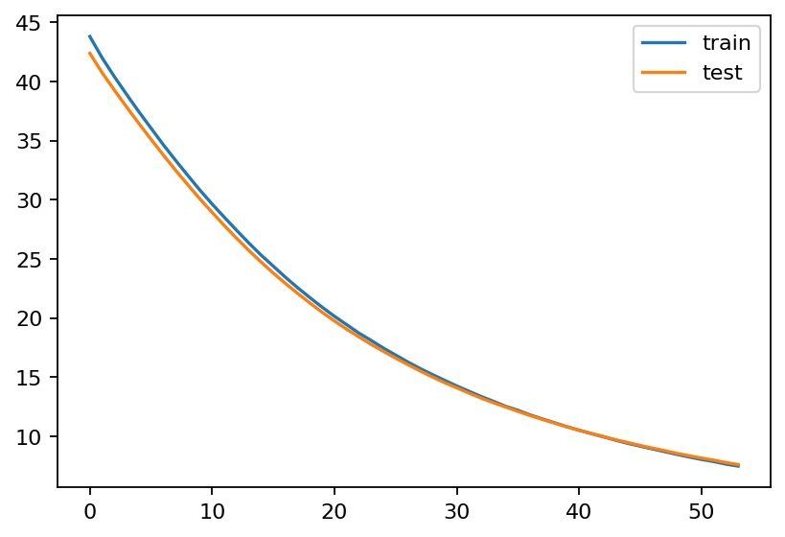 | {'learning_rate': 1e-05, 'kernel_regularizer': 0.05, 'dropout_rate': 0.6, 'batch_size': 16}
EfficientNetV2M | https://colab.research.google.com/drive/1azo53rAdtiOk-MVOQuHA6H0b4ljCJ2Va?usp=sharing | 73.27% | 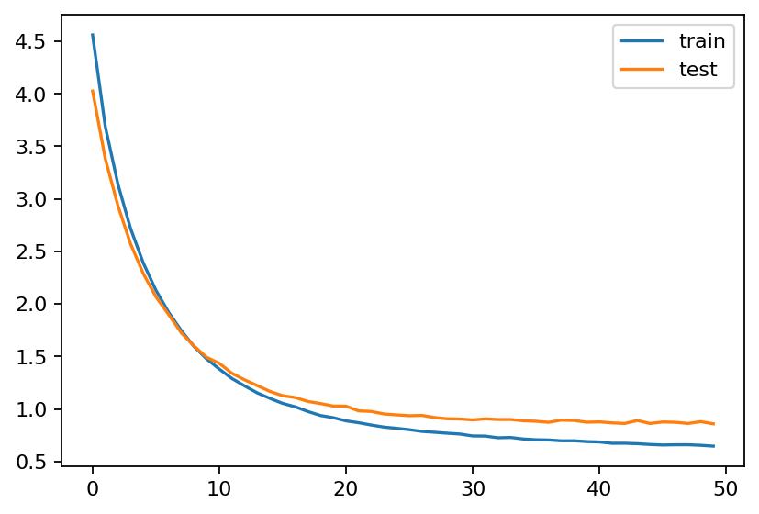 | {'learning_rate': 0.0001, 'kernel_regularizer': 0.005, 'dropout_rate': 0.1} | For the best one, add batch size and epochs using https://github.com/keras-team/keras-tuner/issues/122
MobileNetV3L | https://colab.research.google.com/drive/18THXpjv4g5Z7YT1dJcetlFmtmIoDBuJ2?usp=sharing | 76.68% | 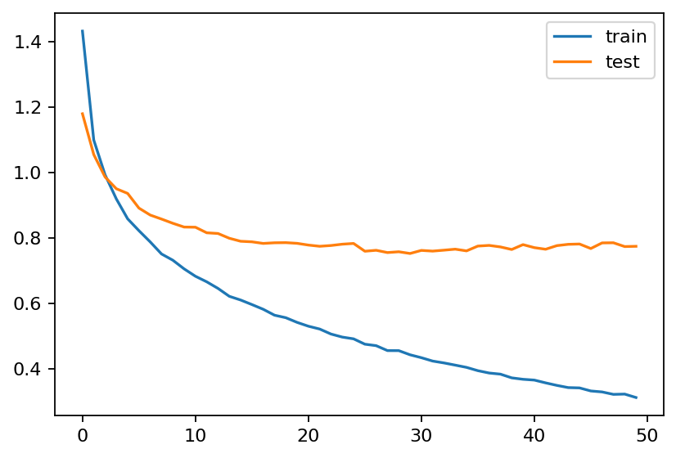 | {'learning_rate': 0.0001, 'kernel_regularizer': 0.0005, 'dropout_rate': 0.1}
MobileNetV3L + HyperModel | https://colab.research.google.com/drive/18THXpjv4g5Z7YT1dJcetlFmtmIoDBuJ2?usp=sharing | 74.87% | 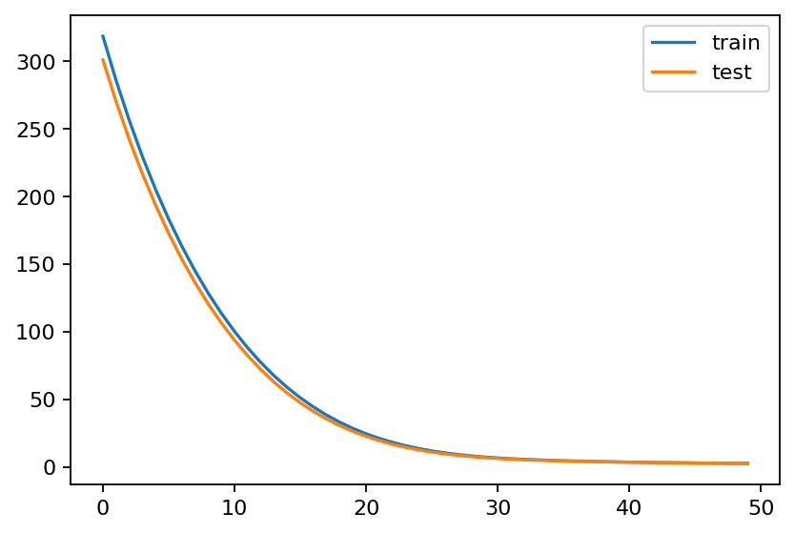 | {'learning_rate': 1e-05, 'kernel_regularizer': 0.5, 'dropout_rate': 0.4, 'batch_size': 16}
MobileNetV3L BEST MODEL + Early Stopping | https://colab.research.google.com/drive/18THXpjv4g5Z7YT1dJcetlFmtmIoDBuJ2?usp=sharing | 77.09% | 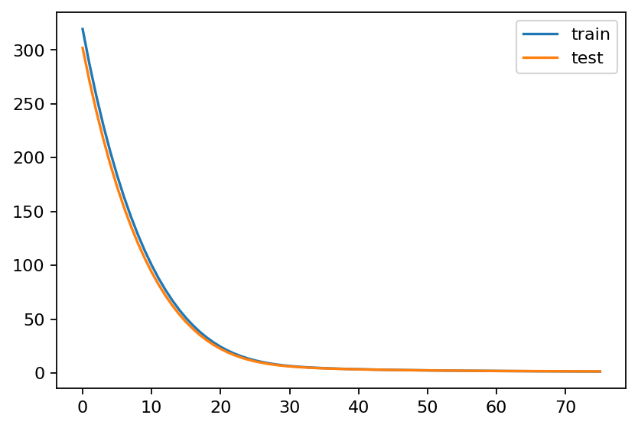
ConvNeXtBase | https://colab.research.google.com/drive/1z_e2cr36Dpg_iWwWo_wEvqhuh6x8212b?usp=sharing | 75.98% | 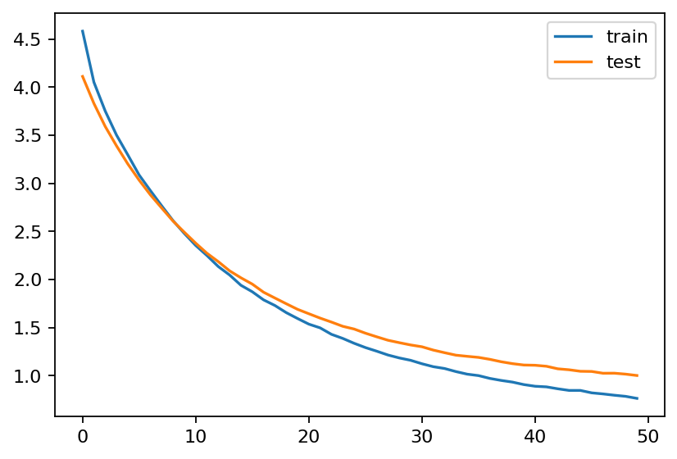 | {'learning_rate': 0.0001, 'kernel_regularizer': 0.005, 'dropout_rate': 0.6}
ConvNeXtBase + HyperModel + BatchNormalization | https://colab.research.google.com/drive/1z_e2cr36Dpg_iWwWo_wEvqhuh6x8212b?usp=sharing | 76.88% | 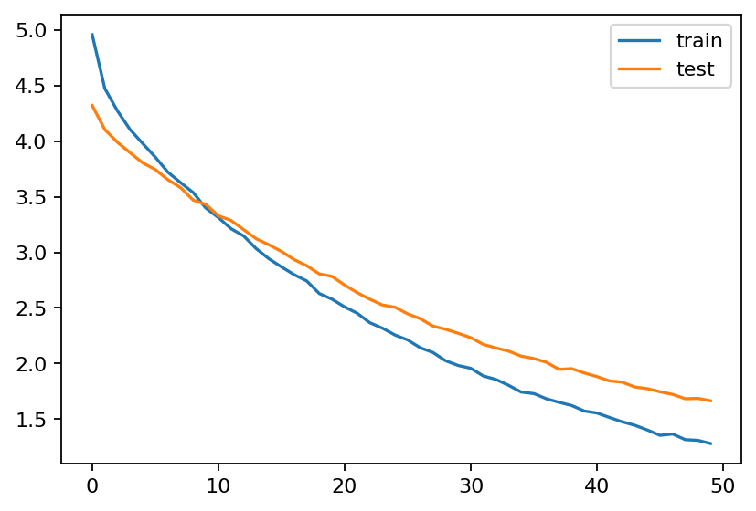 | {'learning_rate': 0.0001, 'kernel_regularizer': 0.005, 'dropout_rate': 0.6, 'batch_size': 32}
ConvNeXtBase BEST MODEL + Early Stopping | https://colab.research.google.com/drive/1z_e2cr36Dpg_iWwWo_wEvqhuh6x8212b?usp=sharing | 76.78% | 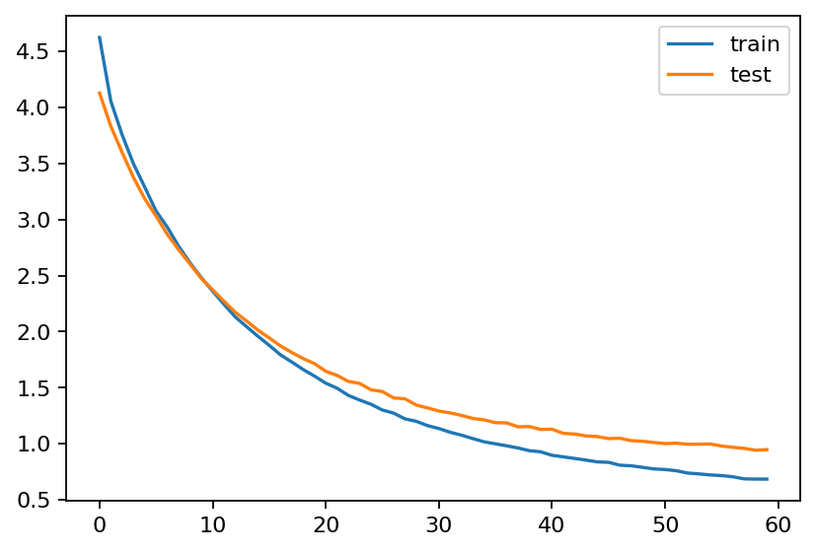 | {'learning_rate': 0.0001, 'kernel_regularizer': 0.005, 'dropout_rate': 0.6, 'batch_size': 32}
ConvNeXtBase + HyperModel | https://colab.research.google.com/drive/1z_e2cr36Dpg_iWwWo_wEvqhuh6x8212b?usp=sharing | 76.28% | 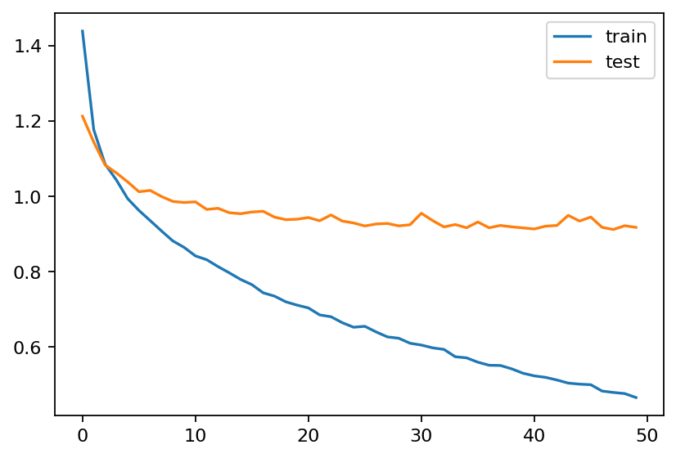 | {'learning_rate': 0.0001, 'kernel_regularizer': 0.0005, 'dropout_rate': 0.2, 'batch_size': 64}

